Sample Cal-Bare+Vapour
Pipe Span Calculation based on Continuous Beam Method
 |  | (Reference BS : 3974 : Part 1)

1) Bare Pipe With Vapour :

Pipe Size |  | = | 2"
Pipe outside Diameter | D | = | 60.3 |  |  |  |  | mm
Pipe Sch |  | = | Sch 40
Pipe Wall Thickness | t | = | 3.91 |  |  |  |  | mm
Pipe Inside Diameter | d | = | 52.48 |  |  |  |  | mm
Young's Modules | E | = | 210000 |  |  |  |  | N/mm2
Allowable Deflection | D | = | 10 |  |  |  |  | mm
Allowable Bendig Stress | f | = | 40 |  |  |  |  | N/mm2
------------------------------------------------------------------------------------------------------------------------------------------------

Empty Pipe Weight | w | = | 53.36 |  |  |  |  | N/m

 |  |  | π x (D4 - d4)
Moment of Intertia of Pipe | I | = |  | 64 |  |  |  | mm4

 |  | = | 3.143 x |  | (60.3 |  | 4 | - | 52.48 |  | 4 )
 |  |  |  |  |  | 64

 | I | = | 27.677091334 |  |  |  |  | cm4

------------------------------------------------------------------------------------------------------------------------------------------------

Calculation of Allowable Span based on Continuous Beam Method :

 |  |  | D | [ | w x L2 |  | ]
Max. Bending Stress | fmax | = | I |  | 240

 |  | 2 | Ö | 240 x |  | fmax | x I
Max. Allowable Span | L | = |  | D | x | w

 |  | 2 | Ö | 240 x |  | 40 | x | 27.677091334
 |  | = |  | 60.3 |  | x | 53.36

Max. Allowable Span | L | = | 9.1 |  | m |  | --------------------- |  |  |  | 1

------------------------------------------------------------------------------------------------------------------------------------------------

Max. Deflection | Dmax | = | 10 | 5 | [ | w x L4 |  | ]
 |  |  | E x I |  |  | 384

 |  | 4 | Ö | 384 x |  | Dmax | x | E x I
Max. Allowable Span | L | = |  |  | w | x | 10 | 5

 |  | 4 | Ö | 384 x |  | 10 | x | 210000 |  | x | 27.677
 |  | = |  | 53.36 |  | x | 10 | 5

 | L | = | 8.0 |  | m |  | --------------------- |  |  |  | 2

Max. Allowable Span | L | = | Min of |  | 1 | AND |  | 2

 | L | = | 8.0 |  | m

Span as per Piping Support Standard :
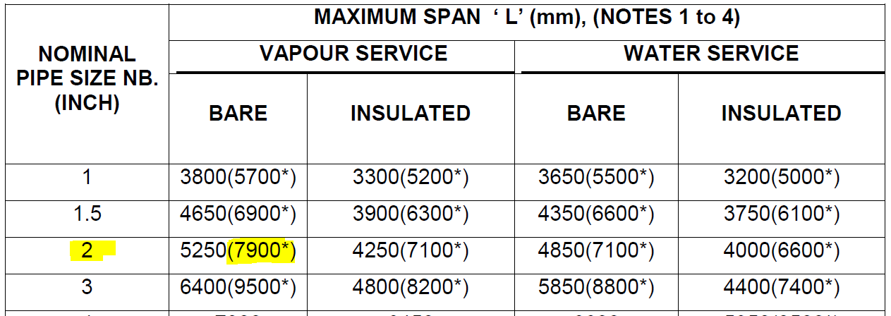

Span Provided in the Piping Support Standard |  |  |  |  |  |  | 7.9 | ≤ | 8.0 |  | Hence OK

Sample Cal-Insul+Vapour
Pipe Span Calculation based on Continuous Beam Method
 |  | (Reference BS : 3974 : Part 1)

2) Insulated Pipe With Vapour :

Pipe Size |  | = | 2"
Pipe outside Diameter | D | = | 60.3 |  |  |  |  | mm
Pipe Sch |  | = | Sch 40
Pipe Wall Thickness | t | = | 3.91 |  |  |  |  | mm
Pipe Inside Diameter | d | = | 52.48 |  |  |  |  | mm
Young's Modules | E | = | 210000 |  |  |  |  | N/mm2
Allowable Deflection | D | = | 10 |  |  |  |  | mm
Allowable Bendig Stress | f | = | 40 |  |  |  |  | N/mm2
Insulation Density |  |  | 150 |  |  |  |  | Kg/m3
Insulation Thickness |  |  | 50 |  |  |  |  | mm

------------------------------------------------------------------------------------------------------------------------------------------------

Empty Pipe Weight |  | = | 53.36 |  |  |  |  | N/m

Insulation Weight |  | = | 25.50 |  |  |  |  | N/m

Pipe + Insulation Weight | w | = | 78.87 |  |  |  |  | N/m

 |  |  | π x (D4 - d4)
Moment of Intertia of Pipe | I | = |  | 64 |  |  |  | mm4

 |  | = | 3.143 x |  | (60.3 |  | 4 | - | 52.48 |  | 4 )
 |  |  |  |  |  | 64

 | I | = | 27.677091334 |  |  |  |  | cm4

------------------------------------------------------------------------------------------------------------------------------------------------

Calculation of Allowable Span based on Continuous Beam Method :

 |  |  | D | [ | w x L2 |  | ]
Max. Bending Stress | fmax | = | I |  | 240

 |  | 2 | Ö | 240 x |  | fmax | x I
Max. Allowable Span | L | = |  | D | x | w

 |  | 2 | Ö | 240 x |  | 40 | x | 27.677091334
 |  | = |  | 60.3 |  | x | 78.87

Max. Allowable Span | L | = | 7.5 |  | m |  | --------------------- |  |  |  | 1

------------------------------------------------------------------------------------------------------------------------------------------------

Max. Deflection | Dmax | = | 10 | 5 | [ | w x L4 |  | ]
 |  |  | E x I |  |  | 384

 |  | 4 | Ö | 384 x |  | Dmax | x | E x I
Max. Allowable Span | L | = |  |  | w | x | 10 | 5

 |  | 4 | Ö | 384 x |  | 10 | x | 210000 |  | x | 27.677091334
 |  | = |  | 78.87 |  | x | 10 | 5

 | L | = | 7.3 |  | m |  | --------------------- |  |  |  | 2

Max. Allowable Span | L | = | Min of |  | 1 | AND |  | 2

 | L | = | 7.3 |  | m

Span as per Piping Support Standard :
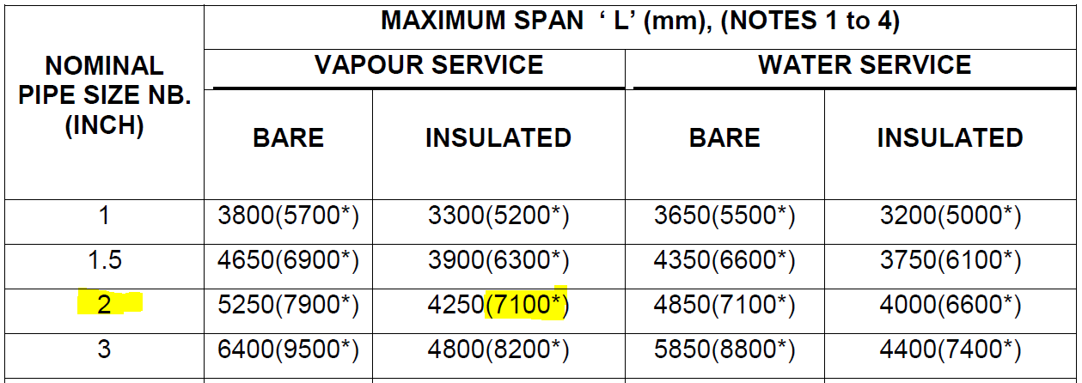

Span Provided in the Piping Support Standard |  |  |  |  |  | = | 7.1 | ≤ | 7.3 |  | Hence OK

Sample Cal-Bare+Water
Pipe Span Calculation based on Continuous Beam Method
 |  | (Reference BS : 3974 : Part 1)

3) Bare Pipe with Water :

Pipe Size |  | = | 2"
Pipe outside Diameter | D | = | 60.3 |  |  |  |  | mm
Pipe Sch |  | = | Sch 40
Pipe Wall Thickness | t | = | 3.91 |  |  |  |  | mm
Pipe Inside Diameter | d | = | 52.48 |  |  |  |  | mm
Young's Modules | E | = | 210000 |  |  |  |  | N/mm2
Allowable Deflection | D | = | 10 |  |  |  |  | mm
Allowable Bendig Stress | f | = | 40 |  |  |  |  | N/mm2
Water Density |  |  | 1000 |  |  |  |  | Kg/m3

------------------------------------------------------------------------------------------------------------------------------------------------

Empty Pipe Weight |  | = | 53.36 |  |  |  |  | N/m

Water Weight |  | = | 21.23 |  |  |  |  | N/m

Pipe + Water Weight | w | = | 74.59 |  |  |  |  | N/m

 |  |  | π x (D4 - d4)
Moment of Intertia of Pipe | I | = |  | 64 |  |  |  | mm4

 |  | = | 3.143 x |  | (60.3 |  | 4 | - | 52.48 |  | 4 )
 |  |  |  |  |  | 64

 | I | = | 27.677091334 |  |  |  |  | cm4

------------------------------------------------------------------------------------------------------------------------------------------------

Calculation of Allowable Span based on Continuous Beam Method :

 |  |  | D | [ | w x L2 |  | ]
Max. Bending Stress | fmax | = | I |  | 240

 |  | 2 | Ö | 240 x |  | fmax | x I
Max. Allowable Span | L | = |  | D | x | w

 |  | 2 | Ö | 240 x |  | 40 | x | 27.677091334
 |  | = |  | 60.3 |  | x | 74.59

Max. Allowable Span | L | = | 7.7 |  | m |  | --------------------- |  |  |  | 1

------------------------------------------------------------------------------------------------------------------------------------------------

Max. Deflection | Dmax | = | 10 | 5 | [ | w x L4 |  | ]
 |  |  | E x I |  |  | 384

 |  | 4 | Ö | 384 x |  | Dmax | x | E x I
Max. Allowable Span | L | = |  |  | w | x | 10 | 5

 |  | 4 | Ö | 384 x |  | 10 | x | 210000 |  | x | 27.677091334
 |  | = |  | 74.59 |  | x | 10 | 5

 | L | = | 7.4 |  | m |  | --------------------- |  |  |  | 2

Max. Allowable Span | L | = | Min of |  | 1 | AND |  | 2

 | L | = | 7.4 |  | m

Span as per Piping Support Standard :
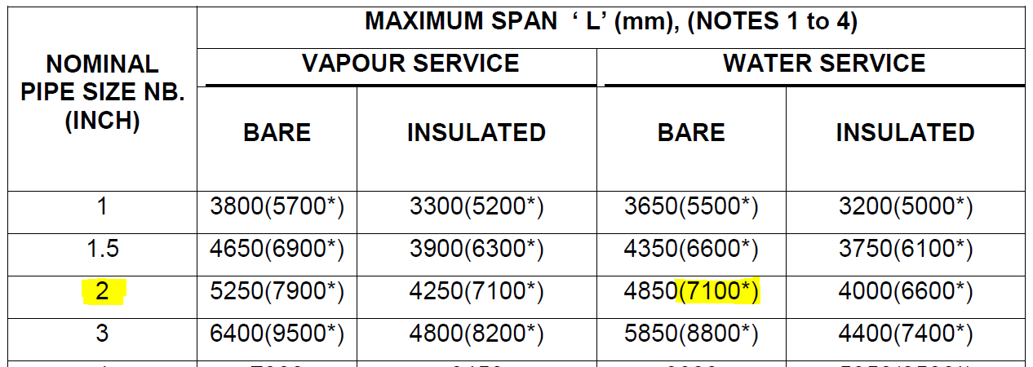

Span Provided in the Piping Support Standard |  |  |  |  |  | = | 7.1 | ≤ | 7.4 |  | Hence OK

Sample Cal-Insul+Water
Pipe Span Calculation based on Continuous Beam Method
 |  | (Reference BS : 3974 : Part 1)

4) Insulated Pipe with Water :

Pipe Size |  | = | 2"
Pipe outside Diameter | D | = | 60.3 |  |  |  |  | mm
Pipe Sch |  | = | Sch 40
Pipe Wall Thickness | t | = | 3.91 |  |  |  |  | mm
Pipe Inside Diameter | d | = | 52.48 |  |  |  |  | mm
Young's Modules | E | = | 210000 |  |  |  |  | N/mm2
Allowable Deflection | D | = | 10 |  |  |  |  | mm
Allowable Bendig Stress | f | = | 40 |  |  |  |  | N/mm2
Insulation Density |  |  | 150 |  |  |  |  | Kg/m3
Insulation Thickness |  |  | 50 |  |  |  |  | mm
Water Density |  |  | 1000 |  |  |  |  | Kg/m3

------------------------------------------------------------------------------------------------------------------------------------------------

Empty Pipe Weight |  | = | 53.36 |  |  |  |  | N/m

Insulation Weight |  | = | 25.50 |  |  |  |  | N/m

Water Weight |  | = | 21.23 |  |  |  |  | N/m

Pipe+Insulation+Water Weight | w | = | 100.10 |  |  |  |  | N/m

 |  |  | π x (D4 - d4)
Moment of Intertia of Pipe | I | = |  | 64 |  |  |  | mm4

 |  | = | 3.143 x |  | (60.3 |  | 4 | - | 52.48 |  | 4 )
 |  |  |  |  |  | 64

 | I | = | 27.677091334 |  |  |  |  | cm4
------------------------------------------------------------------------------------------------------------------------------------------------
Calculation of Allowable Span based on Continuous Beam Method :

 |  |  | D | [ | w x L2 |  | ]
Max. Bending Stress | fmax | = | I |  | 240

 |  | 2 | Ö | 240 x |  | fmax | x I
Max. Allowable Span | L | = |  | D | x | w

 |  | 2 | Ö | 240 x |  | 40 | x | 27.677091334
 |  | = |  | 60.3 |  | x | 100.10

Max. Allowable Span | L | = | 6.6 |  | m |  | --------------------- |  |  |  | 1

------------------------------------------------------------------------------------------------------------------------------------------------

Max. Deflection | Dmax | = | 10 | 5 | [ | w x L4 |  | ]
 |  |  | E x I |  |  | 384

 |  | 4 | Ö | 384 x |  | Dmax | x | E x I
Max. Allowable Span | L | = |  |  | w | x | 10 | 5

 |  | 4 | Ö | 384 x |  | 10 | x | 210000 |  | x | 27.677091334
 |  | = |  | 100.10 |  | x | 10 | 5

 | L | = | 6.9 |  | m |  | --------------------- |  |  |  | 2

Max. Allowable Span | L | = | Min of |  | 1 | AND |  | 2

 | L | = | 6.6 |  | m

Span as per Piping Support Standard :
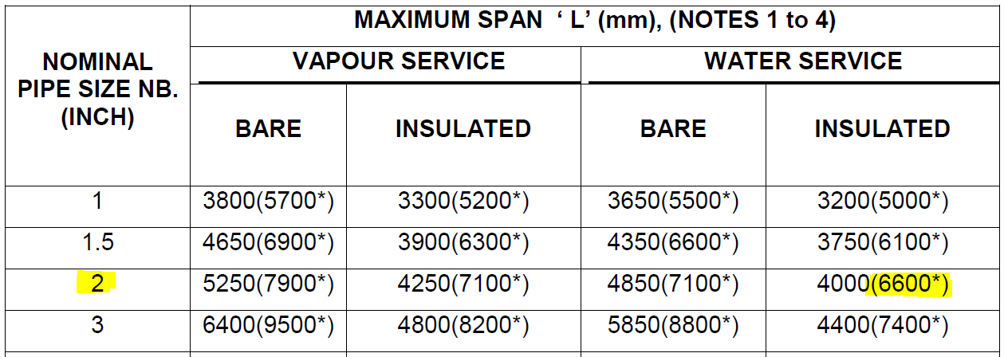

Span Provided in the Piping Support Standard |  |  |  |  |  | = | 6.6 | ≤ | 6.6 |  | Hence OK

